Sheet1
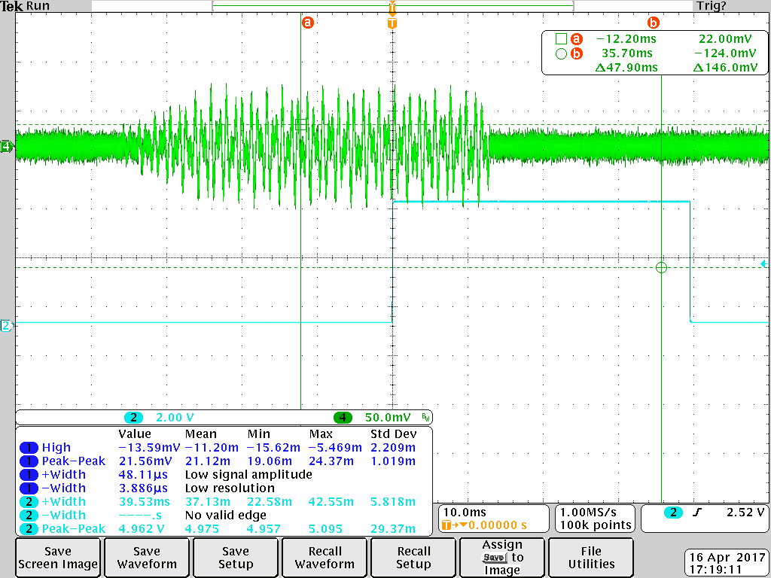
Audio Syncronization

Notes
Full Volume needed for detection
Pusle width of 30ms too narrow
Using Pulse width of 50ms (includes ramp up and down)
Time from audio to pulse is 48ms with a maximum deviation of +/- 4ms - NOTE WE CARE ABOUT THE TIME FROM THE END OF THE PULSE TO THE POSITIVE EDGE OF TIMEn, looks like 26ms below
Created four pulses, one every 200ms, to allow for averaging to bring deviation down. Four should reduce the variance to +/- 2ms

Created versions with hard turn off - reduced variance to sub 2ms
Created two files - one with 4 pulses and one with 1 pulse - both files have exactly 10 seconds from the trailing edge of the last pulse until the end of the .wav file
The 4 pulses end at 50ms, 250ms, 450ms and 650ms
With 10 seconds after last pusle, start of song = 10s - 26ms. In us this is: | 10000000 | 26000 | 9974000

Pulse is generate by singal labed as DR on the PCB, I believe this is DV (Data Valid) in the HT9170B data sheet.
Need to invert pulse to use as TIMEn input. Purchase 74series DIP Mux to invert.

